Integration
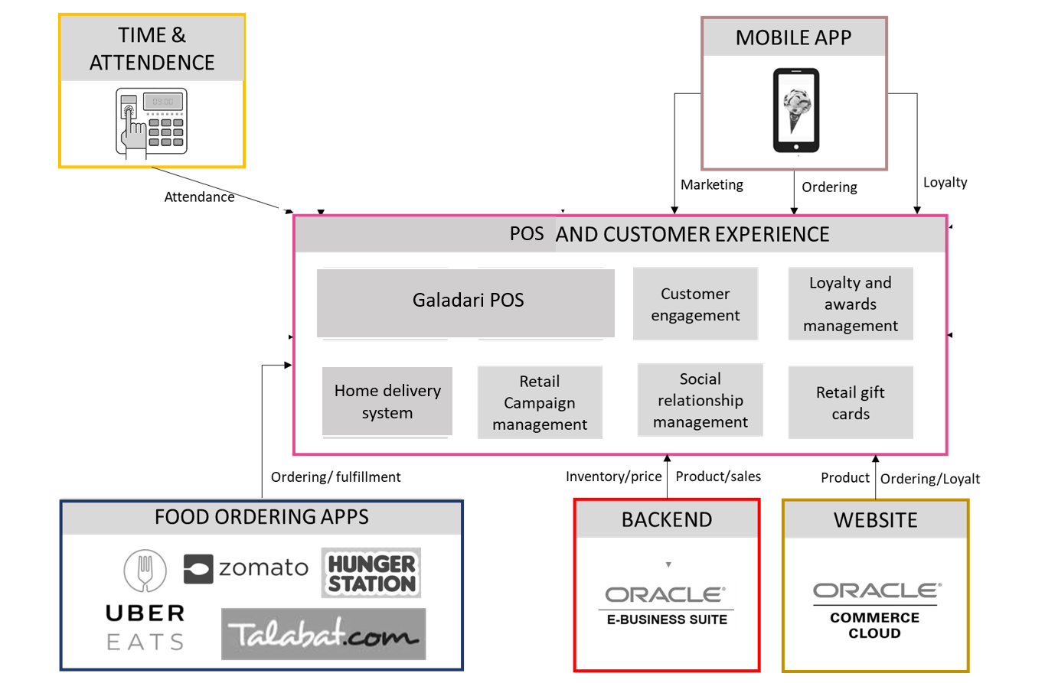

Mobile App Integration with
1. Home Delivery System
2. Store POS system

CRM at present is managed in Home Delivery System
Going forward the integration has to be with Oracle CRM

